Current Statement
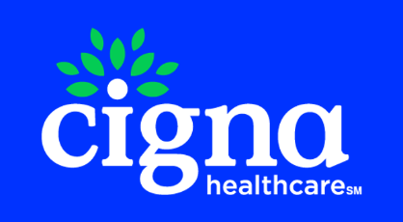
 |  |  | MAIN LINE BENEFITS LLC
 |  |  | Cigna Medicare Commission
 |  |  | 2025-12-12

Cigna Agent Resource Line (CARL): 1- 866-442-7516
Previous Balance | Number of New Applications | New Application Earnings | Number of Renewals | Renewal Earnings | Number of Chargeback | Chargeback Amount | Number of VBE | VBE Amount | Total Payment Due to Agent/Agency
$0.00 | 0 | $0.00 | 0 | $0.00 | 2 | -$529.49 | 0 | $0.00 | -$529.49

Payment Type | Beneficiary Name | Medicare Number | Cigna Member Id | Effective Date | Termination Date | Signature Date | State | Payment Amount | Cigna Agent Id | Agent NPN | Agent | GA | MGA | SGA | SGA2 | FMO | RFMO | NFMO | AFMO | Adjustment Notes
Chargeback | BEST, WADE | 3GJ7D76UC66 | 77X5L4L64 | 2025-08-01 | 2025-10-31 | 2025-07-09 | NM | -469.49 | C500975 | 9213293 | GARY PORTUGAL | MAIN LINE BENEFITS LLC |  |  |  |  |  | HEARTLAND FINANCIAL GROUP INC | INTEGRITY MARKETING GROUP NV, LLC | DIS - LOSS OF COVERAGE
Chargeback | BEST, WADE | 3GJ7D76UC66 | 77X5L4L64 | 2025-08-01 | 2025-10-31 | 2025-07-09 | NM | -60 | C500975 | 9213293 | GARY PORTUGAL | MAIN LINE BENEFITS LLC |  |  |  |  |  |  | INTEGRITY MARKETING GROUP NV, LLC | DIS - LOSS OF COVERAGE

